Procedure Notes
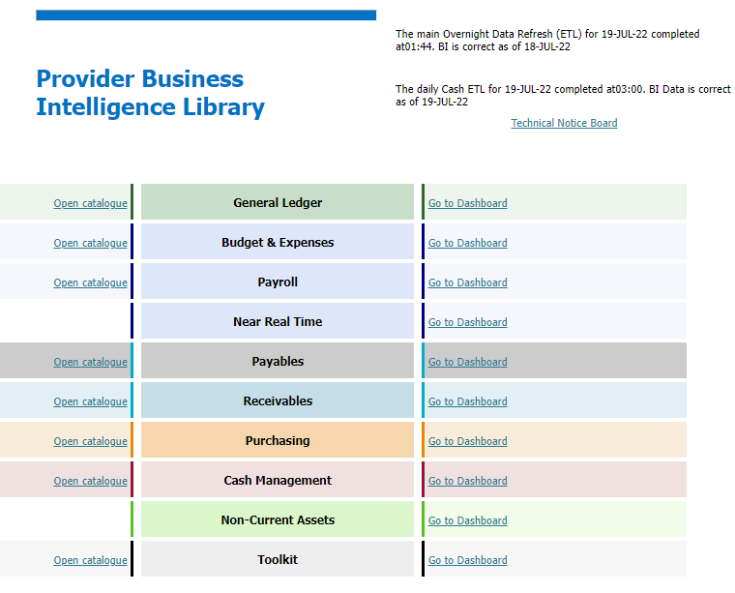

1 | Select Payables/Open catalogue

2 | A3131 - Expenditure Over Threshold (AP)

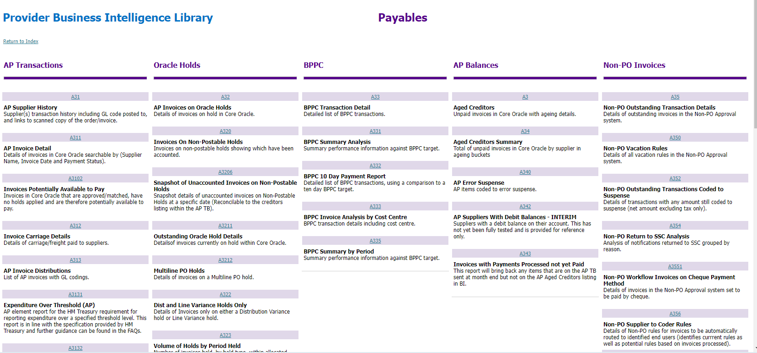

3 | This report is required for June 2022 transaction/Select the Fiscal Period/type in the Threshold amount (£25k).
 | Select OK

4 | The report is issued and needs to be exported to excel. P:\FINACCTS\2022-23\£25K trans return. Create a new folder for the month that you are working on.

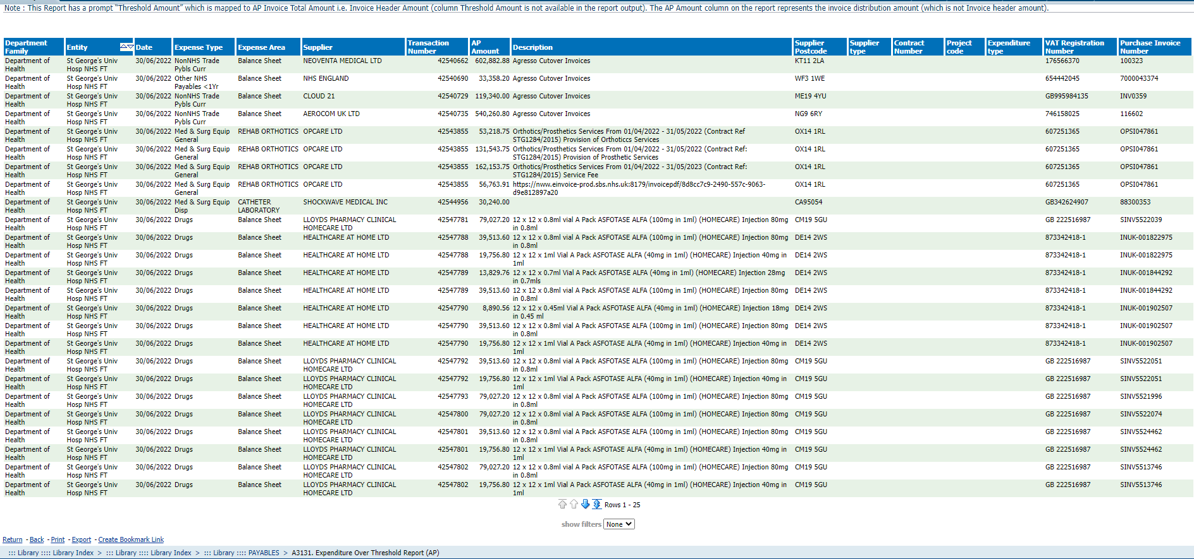

5 | In the downloaded excel report add two new tabs.
 | Tab 1 name it working | Select all the data that was downloaded and select Pivottable.
 | Tab 2 name it items removed

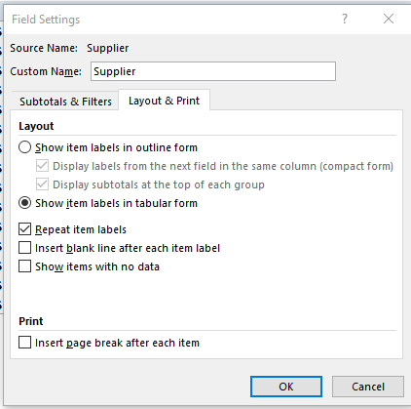

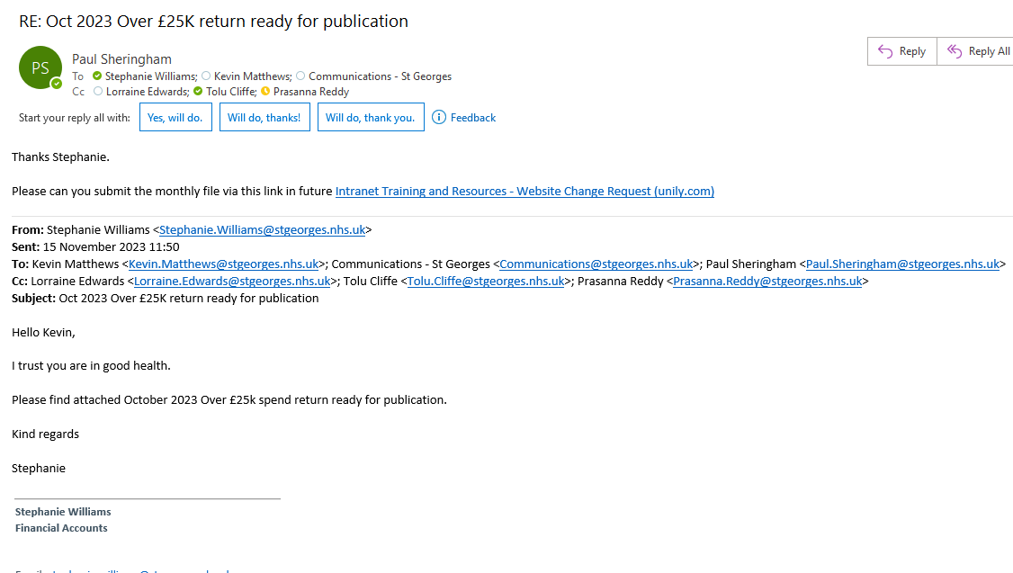
 | New Proceedure instead of sending email
Send to | Kevin.Matthews@stgeorges.nhs.uk
 | Communications@stgeorges.nhs.uk
 | Paul.Sheringham@stgeorges.nhs.uk
CC | Prasanna.Reddy@stgeorges.nhs.uk
 | Tolu.Cliffe@stgeorges.nhs.uk
 | Lorraine.Edwards@stgeorges.nhs.uk

 | Remove any credit note amount if it dones not show as a payment over £25k. Remove Pension Agency payover.
 | Create a new file and call is A3131.Expenditure Over Threshold Report (AP) Mth Publication Report
 | Copy and paste special the working file/ remove download data and items removed tabs.
 | Check format is OK (Date formate) .

 | Include HMRC payover but not Pension Agency

